工作表1
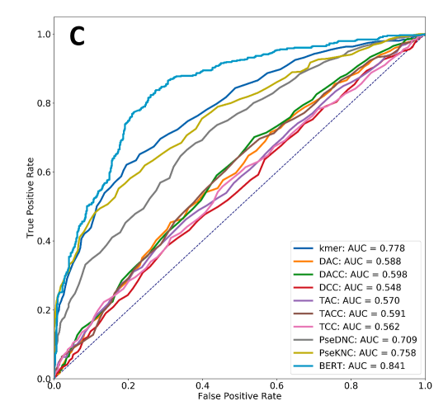
Rice-Chen, Sample: 880:880 , length:41(DNA) | Date
i6mA-Pred | 2019 | 1 | 1
iDNA6mA | 2019 | 2 |  |  | 9
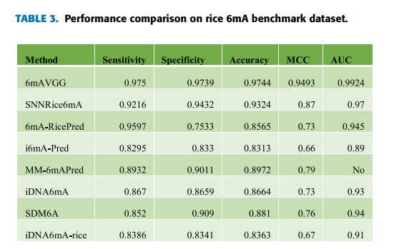
ilM-CNN | 2019 | 3
SNNRice6mA | 2019 | 4
i6mA-DNCP | 2019 | 5
A deep learning-based computational approach for discrimination of DNA N6-methyladenosine sites by fusing heterogeneous features | 2020 | 6
A Deep Learning Model for Predicting DNA N6-Methyladenine (6mA) Sites in Eukaryotes | 2020 | 7
6mA-RicePred | 2020 | 8
6mAVGG | 2020 | 9
i6mA-CNN | 2021 | 10 | 2
6mAPred-MSFF | 2021 | 11
iRicem6A-CNN | 2021 | 12
Deep6mA | 2021 | 13
GC6mA-Pred | 2022 | 14
MGF6mARice | 2022 | 15
GLF6mA | 2022 | 16 | 3
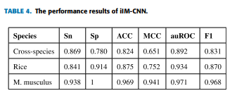
MM-6mAPred | 2020 | 17
 |  |  |  |  | 10

 |  |  | 4
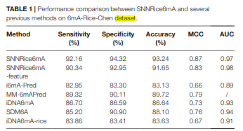

 |  |  |  |  | 11

 |  |  | 5
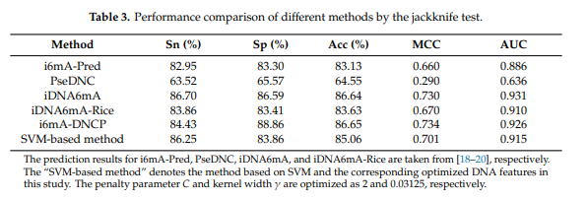

 |  |  |  |  | 12
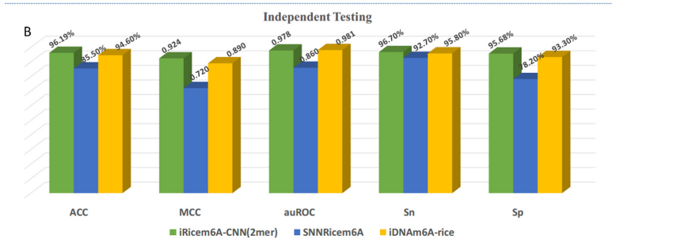

 |  |  | 6(S2)

 |  |  | 7
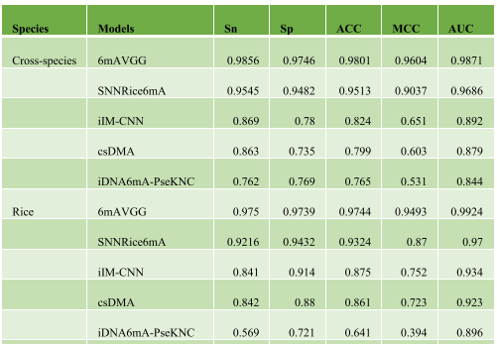
 |  |  |  |  | 13

 |  |  |  |  | 14
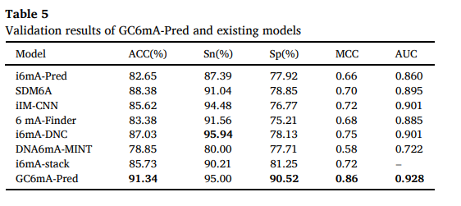

 |  |  | 8

 |  |  |  |  | 15

 |  |  |  |  | 16

 |  |  |  |  | 17
Rice-Lv ,Sample:154000 : 154000, Length:41(DNA)
iDNA6mA-Rice | 2019 | 1 | 1 | dataset just for testing
SNNRice6mA | 2019 | 2 | 2
6mA-RicePred | 2020 | 3
6mAPred-MSFF | 2021 | 4
6mA-Pred | 2021 | 5
Deep6mA | 2021 | 6
iRicem6A-CNN | 2021 | 7
i6mA-CNN | 2021 | 8
MGF6mARice | 2022 | 9

 |  |  | 3 | dataset just for testing
 |  |  | 4

 |  |  | 5

 |  |  | 6

 |  |  | 7

 |  |  | 8(dataset 2 )
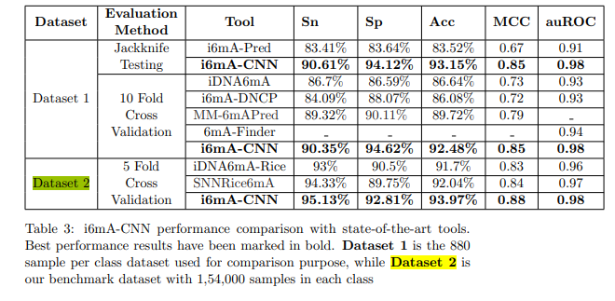

 |  |  | 9

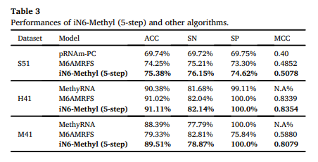
Saccharomyces cerevisiae ,Samples: 1307:1307,length 51nt(RNA)
iN6-Methyl | 2019 | 1 | 1
pm6A-CNN | 2020 | 2
iMethyl-Deep | 2020 | 3
m6A-NeuralTool | 2021 | 4
bCNN-Methylpred | 2021 | 5

 |  |  | 2
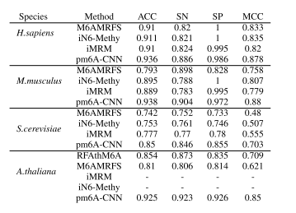

 |  |  | 3
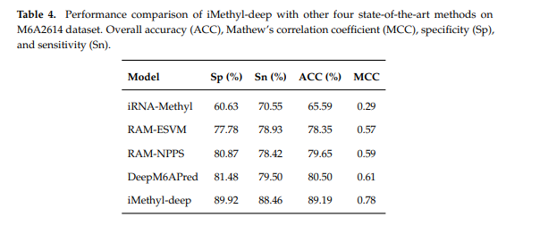

 |  |  | 4
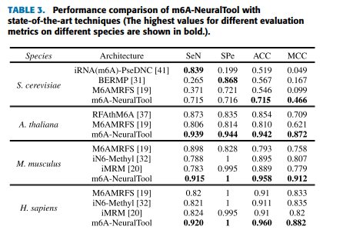

 |  |  | 5
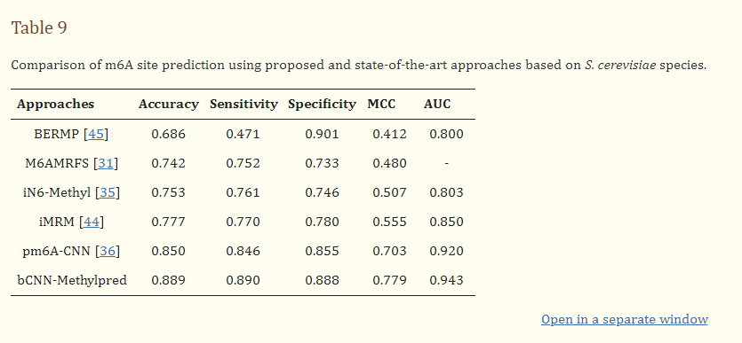

Homo sapiens ,Samples:1130:1130,length 41nt(RNA)
iN6-Methyl | 2019 | 1 | 1
pm6A-CNN | 2020 | 2
m6A-NeuralTool | 2021 | 3
bCNN-Methylpred | 2021 | 4

 |  |  | 2

 |  |  | 3

 |  |  | 4
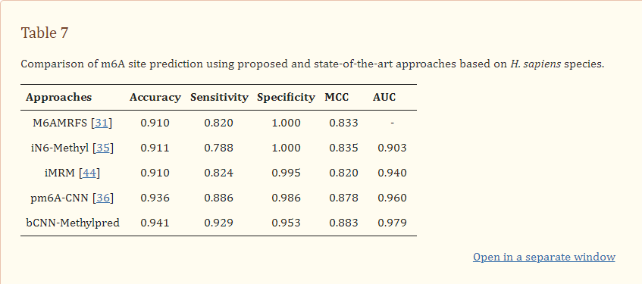

Mus musculus ,Samples:725:725,length 41nt(RNA)
iN6-Methyl | 2019 | 1 | 1
pm6A-CNN | 2020 | 2
m6A-NeuralTool | 2021 | 3
bCNN-Methylpred | 2021 | 4

 |  |  | 2

 |  |  | 3

 |  |  | 4
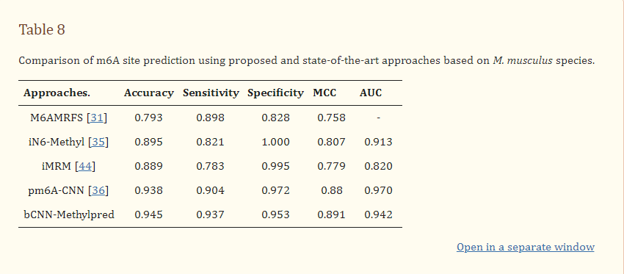

Cant find

iRNA-m6A | 2020 | 1 | 1
im6A-TS-CNN | 2020 | 2
TS-m6A-DL | 2021 | 3

 |  |  | 2
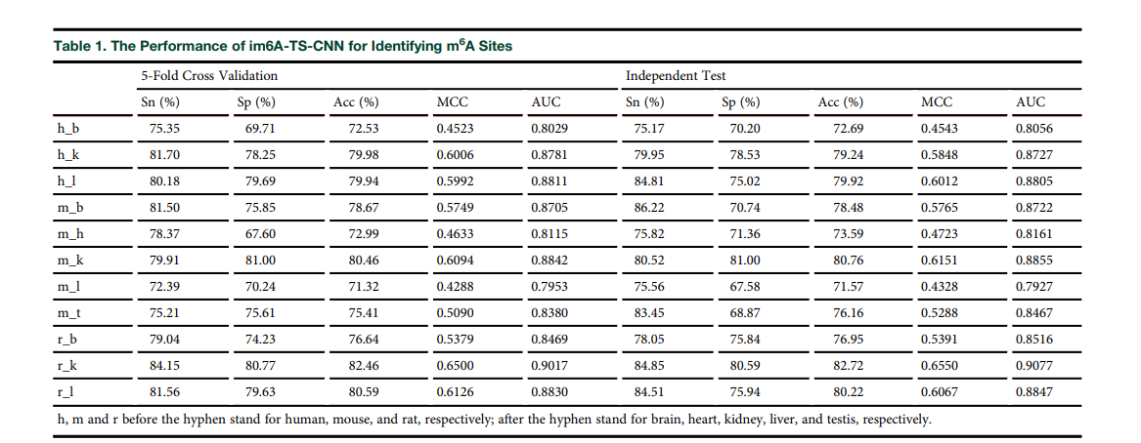

 |  |  | 3

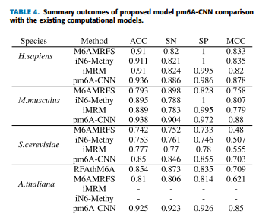
Arabidopsis thaliana ,Samples: 2100:2100,length 101nt(DNA)
pm6A-CNN | 2020 | 1 | 1
m6A-NeuralTool | 2021 | 2
bCNN-Methylpred | 2021 | 3
GLF6mA | 2022 | 4

 |  |  | 2
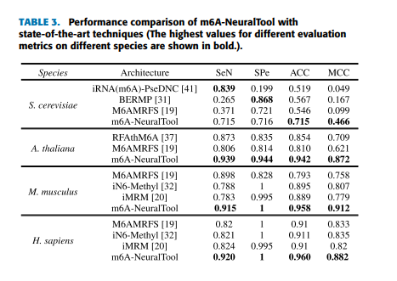

 |  |  | 3
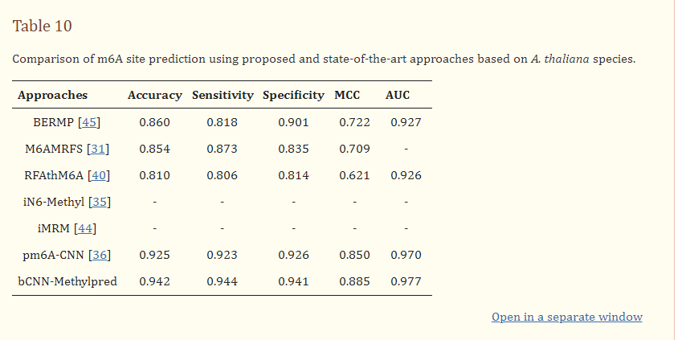

 |  |  | 4

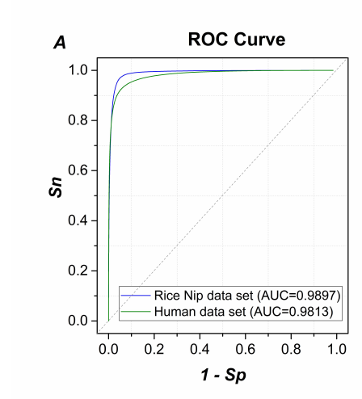
Homo sapiens,Samples:491885:491885,length 41nt(DNA)
SICD6mA | 2020 | 1 | 1
6mA-Pred | 2021 | 2

 |  |  | 2

Rice Nip,Samples:304520:304520,length 41nt(DNA)
SICD6mA | 2020 | 1 | 1

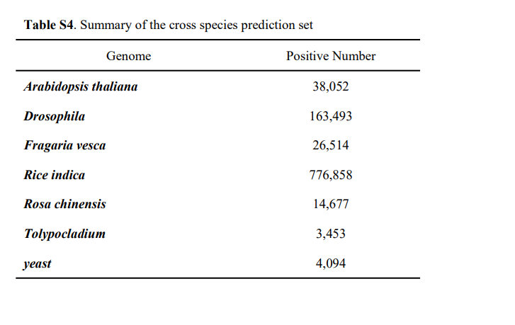

SICD6mA | 2020 | 1 | 1 | just for testing

Saccharomyces cerevisiae,Samples:3270:3270,length 51bp(RNA)
iMethyl-Deep | 2020 | 1 | 1
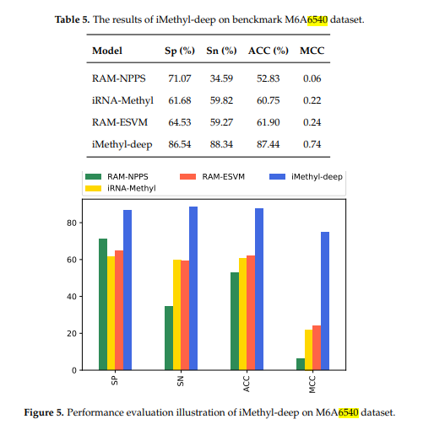

Arabidopsis thaliana,Samples:98483:98483,length 41(DNA)
Deep6mA(沒標示正負) | 2021 | 1 | 1 | just for testing

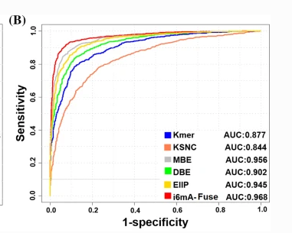
Rosa chinensis,Samples:1417:1417,length 41(DNA)
i6mA-Fuse | 2020 | 1 | 1
Deep6mA(沒標示正負) | 2021 | 2

 |  |  | 2 | just for testing

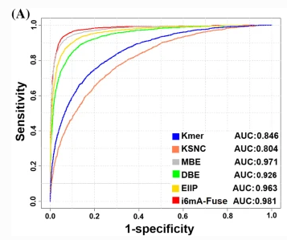
Fragaria vesca,Samples:5733:5733,length 41(DNA)
i6mA-Fuse | 2020 | 1 | 1
Deep6mA(沒標示正負) | 2021 | 2

 |  |  | 2 | just for testing

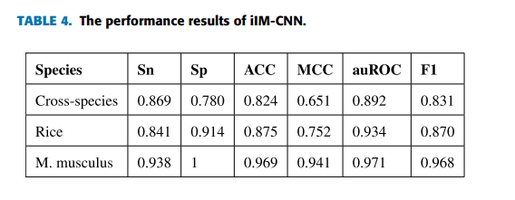
Mus musculus,Samples:1934:1934,length 41(DNA)
ilM-CNN | 2019 | 1 | 1
A deep learning-based computational approach for discrimination of DNA N6-methyladenosine sites by fusing heterogeneous features | 2020 | 2
6mAVGG | 2020 | 3
6mA-Pred | 2021 | 4

 |  |  | 2(S1)

 |  |  | 3
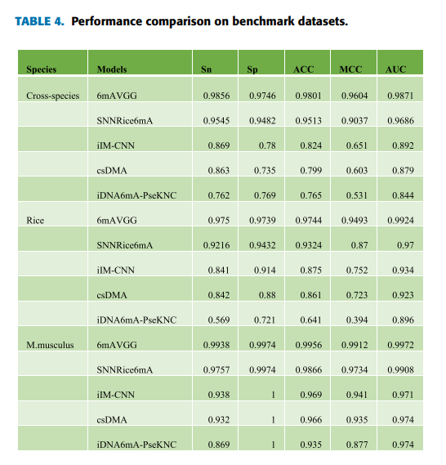

 |  |  | 4

i6mA-CNN | 2021 | 1 | 1 | just for testing

Leveraging the attention mechanism to improve the identification of DNA N6-methyladenine sites(LA6mA,AL6mA) | 2021 | 1 | 1
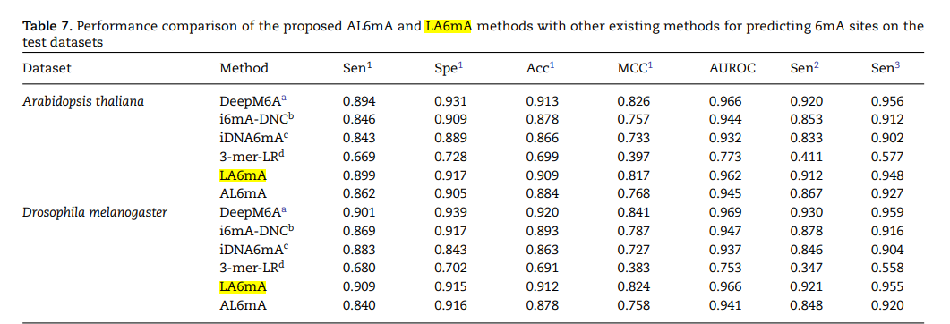

Arabidopsis Thaliana,Samples:15937:15937,length 41(DNA)
R. chinensis,Samples:11815:11815,length 41(DNA)
D. melanogaster,Samples:11191:11191,length 41(DNA)
MGF6mARice | 2021 | 1 | 1 | just for testing
6mAPred-MSFF | 2022 | 2 | 2 | just for testing

Rice-GC6mA,Samples:12000:12000,length 41(DNA)(cant find)
GC6mA-Pred | 2022 | 1 | 1 | just for testing

NIP_10000(rice),Samples:10000:10000,length 41(DNA)
MGF6mARice | 2022 | 1 | 1 | just for testing

Fragaria vesca,Samples:4303:4303,length 41(DNA)(cant find)
E. coli ,Samples:388:388,length 41(DNA)(cant find)
GLF6mA | 2022 | 1 | 1
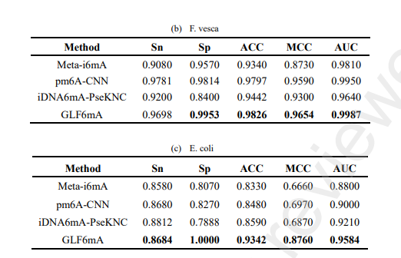

Rosaceae,Samples:36537:36537,length 41(DNA)(cant find)
Arabidopsis thaliana,Samples:31873:31873,length 41(DNA)(cant find)
Plant6mA | 2022 | 1 | 1
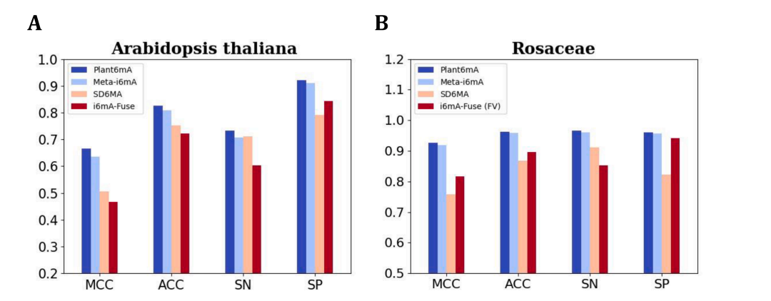

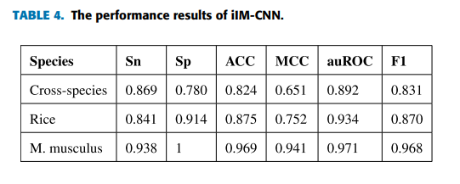
Cross-species :2768:2716,length 41(DNA)
ilM-CNN | 2019 | 1 | 1
6mAVGG | 2020 | 2
Deep transformers and convolutional neural network in identifying DNA N6-methyladenine sites in cross-species genomes | 2021 | 3

 |  |  | 2
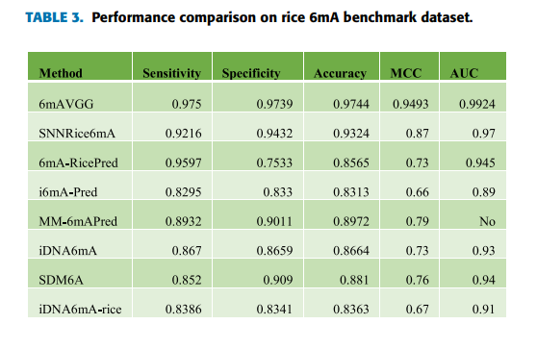

 |  |  | 3

